HW REV and VER ID
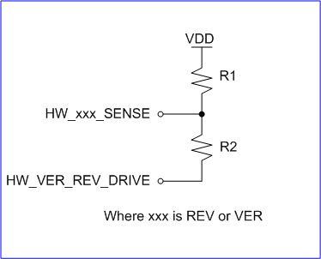
Config | R1 (K) | R2 (K) |  |  | Expected limits | Boundary | Expected voltage | Boundary
0 | NO POP | NO POP |  | ver/rev | range (DN) | thresholds (DN) | limits (V) | thresholds (V)
1 | 442 | 24.9 |  | 0 | 204 | 0 | 0.166 | 0
2 | 174 | 32.4 |  |  | 553 | 579 | 0.441 | 0.467
3 | 115 | 38.3 |  | 1 | 605 | 580 | 0.492 | 0.468
4 | 84.5 | 46.4 |  |  | 966 | 967 | 0.77 | 0.779
5 | 61.9 | 51.1 |  | 2 | 968 | 968 | 0.788 | 0.78
6 | 51.1 | 61.9 |  |  | 1331 | 1356 | 1.062 | 1.093
7 | 46.4 | 84.5 |  | 3 | 1382 | 1357 | 1.125 | 1.094
8 | 38.3 | 115 |  |  | 1738 | 1756 | 1.386 | 1.415
9 | 32.4 | 174 |  | 4 | 1774 | 1757 | 1.443 | 1.416
10 | 24.9 | 442 |  |  | 2113 | 2137 | 1.685 | 1.722
 |  |  |  | 5 | 2161 | 2138 | 1.759 | 1.723
 |  |  |  |  | 2476 | 2519 | 1.975 | 2.03
 |  |  |  | 6 | 2562 | 2520 | 2.085 | 2.031
 |  |  |  |  | 2842 | 2919 | 2.267 | 2.353
 |  |  |  | 7 | 2996 | 2920 | 2.438 | 2.354
 |  |  |  |  | 3230 | 3308 | 2.577 | 2.666
 |  |  |  | 8 | 3386 | 3309 | 2.755 | 2.667
 |  |  |  |  | 3571 | 3699 | 2.848 | 2.981
 |  |  |  | 9 | 3827 | 3700 | 3.114 | 2.982
 |  |  |  |  | 3946 | 4095 | 3.147 | 3.363

Allocations of VER and REV numbers to specific boards are handled by the community and standardized with the Pixhawk Standard (WIP) DS-018 here: https://github.com/pixhawk/Pixhawk-Standards/pull/30/files

DEPRECATED
On Base | On FMU
VER | REV | ID (as in Code) | Hardware build
0 | 0 | V5X00 | FMUV5X
1 | 0 | V5X10 | NO PX4IO
2 | 0 | V5X20 | MODALAI
3 | X | V5X3x | NXP T1 PHY
4 | X | V5X4x | HB CM4
5 | X | V5X5x | HB Mini
0 | 1 | V5X01 | FMUV5X I2C2 BMP388
0 | 2 | V5X02 | FMUV5X Rev 2 Sensor
0 | 3 | V5X03 | FMUV5X Rev 3 Sensor
x | 7 | V5Xx7 | Use MFT ID from IMU EEPROM
7 | x | V5X7x | Use MFT ID from Base EEPROM
8 | 0 | V5X80 | USB (Q)
8 | 1 | V5X81 | USB (Q) I2C2 BMP388
9 | 0 | V5X90 | NO USB
10 | 0 | V5Xa0 | NO USB (Q)
9 | 1 | V5X91 | NO USB I2C2 BMP388
10 | 1 | V5Xa1 | NO USB (Q) I2C2 BMP388

Debug connector
Debug is using 2 Connectors

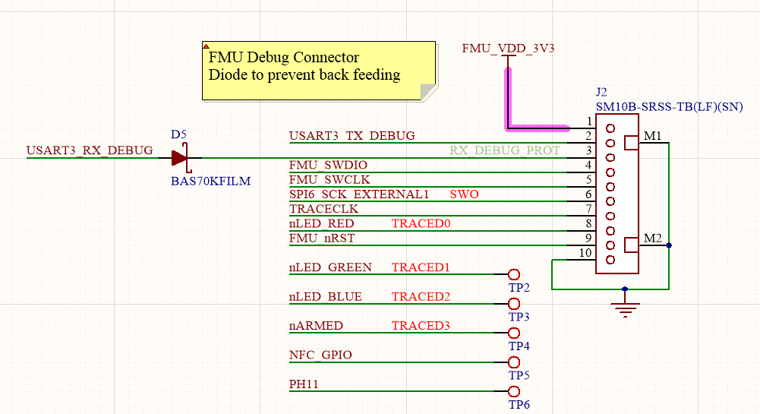
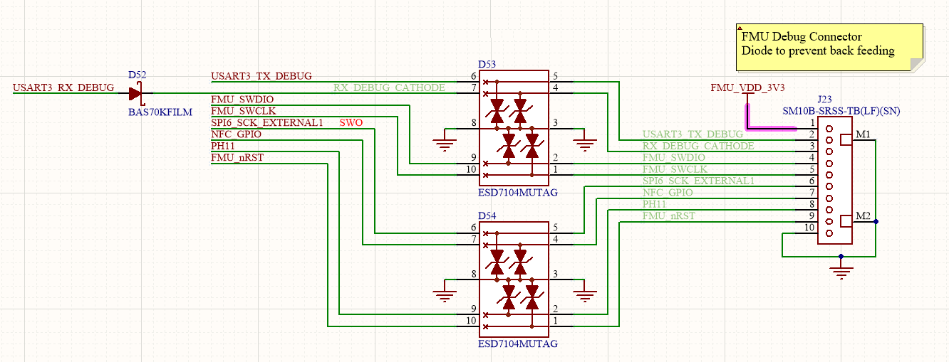
Routed to BASE |  | SM10B-SRSS-TB(LF)(SN)
 | DEBUG CONNECTOR
 | 1 | FMU_VDD_3V3
 | 2 | USART3_TX
 | 3 | USART3_RX (via Diode)
 | 4 | SWDIO
 | 5 | SWCLK
 | 6 | SWO
 | 7 | NFC_GPIO
 | 8 | PH11
 | 9 | FMU_Rst
 | 10 | GND

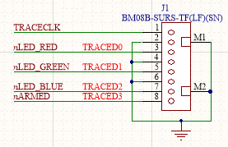
ON FMUM |  | BMO8B-SURS-TF(LF)(SN)
 | TRACE CONNECTOR
 | 1 | TRACECLK
 | 2 | GND
 | 3 | TRACE0
 | 4 | GND
 | 5 | TRACE1
 | 6 | GND
 | 7 | TRACE2
 | 8 | TRACE3

